Sheet1
Issue Name | Details | Comment
Bookmark | 1.not working 2.no delete option in bookmark -Done 3.i took 50 tabs and I bookmark 7 tabs randomly,after few time all tabs showing yellow bookmarked sign but in bookmark list there is only those URL showing thats i did. -Done 3.Bookmark a page , then delete from bokkmarklist but the sign of bookmark of that page is still yellow - Done
search bar | 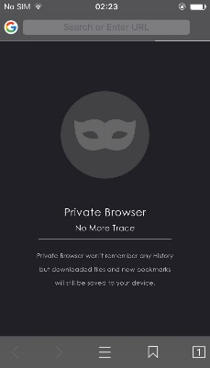 1.search engine cannot be changed from searchbar . -Done 2.Current search engine is Google , now change search engine(like Bing) from settings and open new tab but here in searrch bar still Google logo will be shown -Done 3.after changing the search engine "cross" and "cancel" button not showing and search engine button replaces with bookmark button. - Done 4.after searching , the URL and reload button mixed up.reload button unable to use. - Done | 1
Tab | 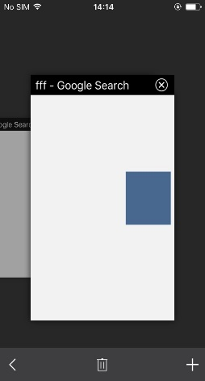 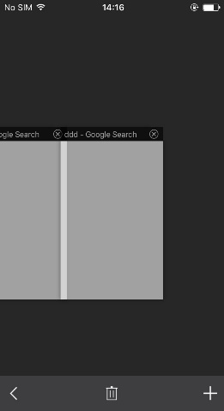 1. take 5 tabs , then delete 1 middle tab(like 3rd tab) but still shows the number of tab is 5 . But if you delete all tabs then its ok. -Done 2.take 3 tab and brows something in different tab , but all tabs shows white when going to take new tab proccess .
Download | 1.cannot download Mp4 file. -Done 2.i downloading 1 mp3 file the download sign is red with 1 . Quite from app , reopen the app.this time download file is not showing red sign with 1 to understand if there is any downloading file or not. -Done 3.Download sign number is not changing according to how much item downloading. -Done
Browser | 1.search something in search engine (sample)>sample1>sample2 . Now back , sample2>sample1>search engine . Click forward button , goes to sample 1 . Here the back button is disable. -Done 2.search something in search engine of 5 tabs .after sometime what we searched will become white.
File | 1. edit option not working -Done 2.Same file in file manager and in a folder . Delete any one of file from file manager or folder but both files are deleted. -Done 3.Share button is not working . -Done 4.In file, there are some images , click any image to open but it always opens the first image -New
Settings | 1.Passcode on/off problem -Done 2.simultaneous download limit not working -Done
view lap | 1.copy-past problem

